Sheet1
Department of Mathematics
WEBSITE UPDATION
S.NO. | NAME OF THE STAFF | QUALIFICATION | DESIGNATION | EXPERIENCE | MAIL ID | PHOTO
1 | Mrs. A. Diana Vinster Nadeen | B. Sc., B. Ed., M. Sc., M. Phil., (Ph. D.,) | Head, Assistant professor | 13 years and 5 months | vinster. nad@gmail.com | 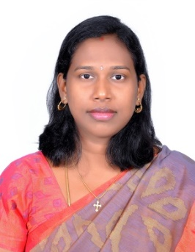
2 | Mrs. G. Shanmugapriya | B. Sc., M. Sc., M. Phil., B. Ed., (Ph. D.,) | Assistant professor | 12 years and 11 months | shanupriya87@gmail | 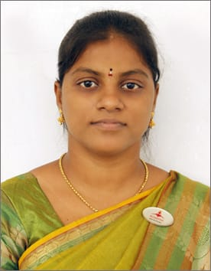
3 | Mrs. P. Diviya | B. Sc., M. Sc., M. Phil., SET., (Ph. D.,) | Assistant professor | 8 years and 11 months | divajee@gmail.com | 